images
20240523001
20240523002 | 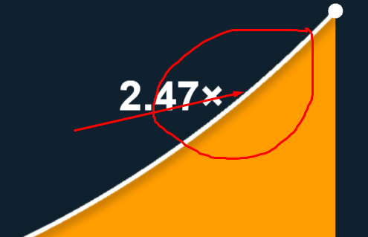
20240523003
20240523004 | 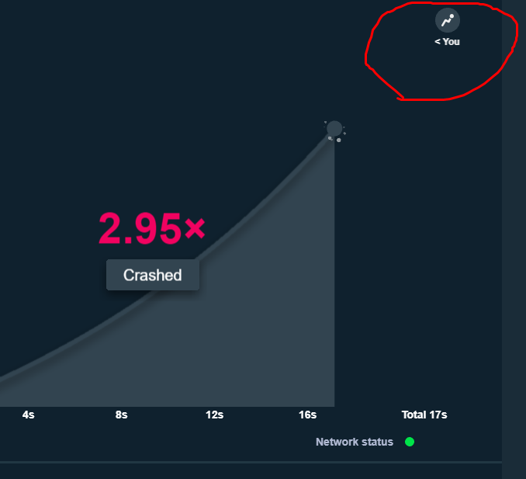 | 
20240523005 | 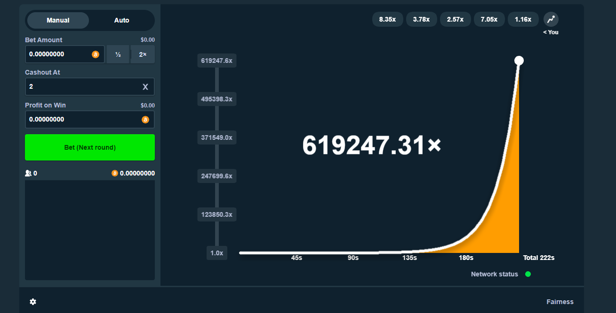
20240523006 | 
20240523007
20240523008 | 
20240523009
20240523010 | 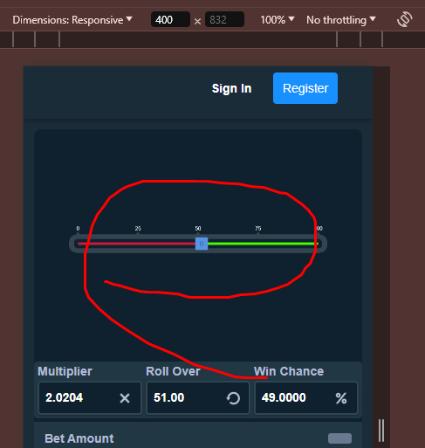 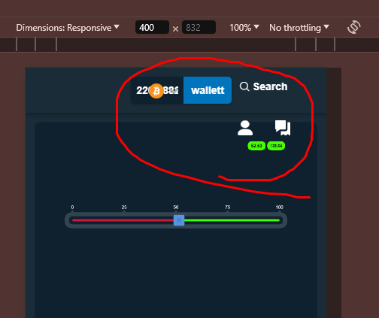
20240523011 | 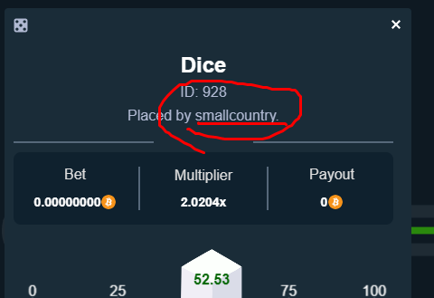
20240523012 | 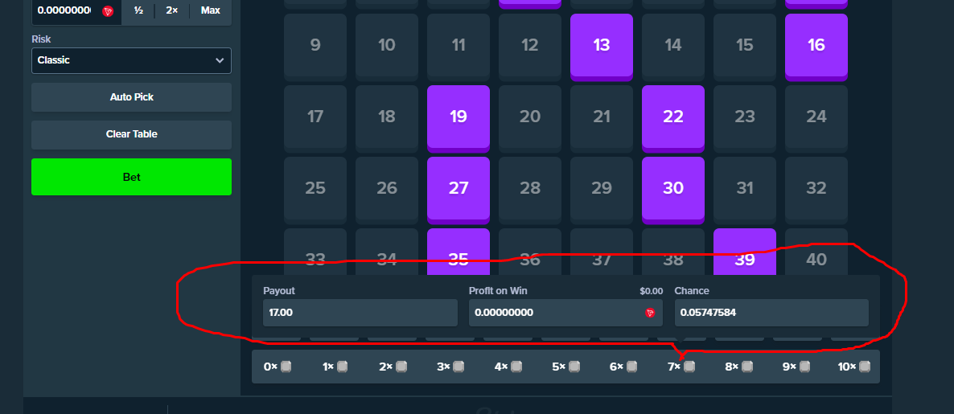
20240523013 | 
20240523014 | 
20240523015 | 
20240523016
20240523017
20240523018 |  
20240523019
20240523020 | 
20240523021 |   
20240523024 | 
20240523025
20240523026 | 

